CIC Normalized
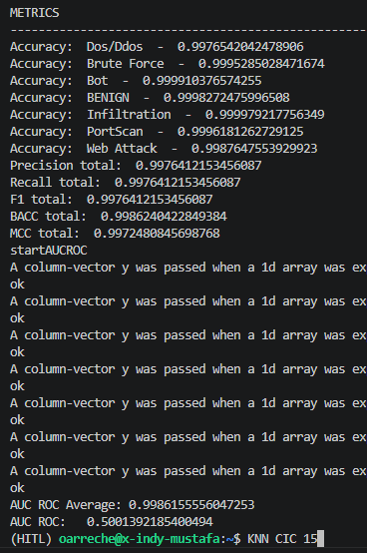
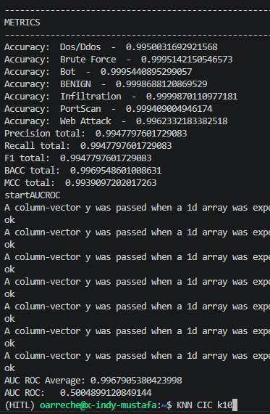
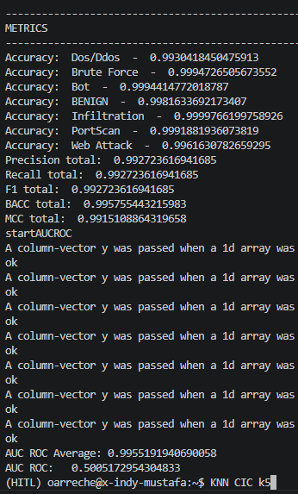
RF
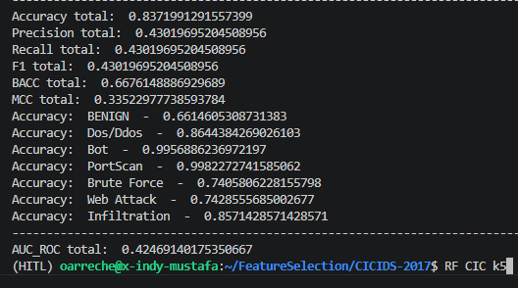
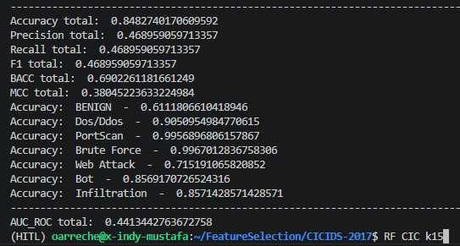
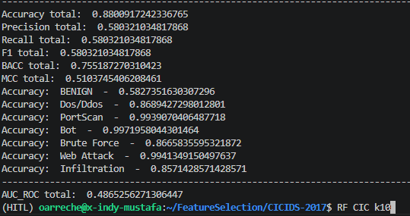

DNN
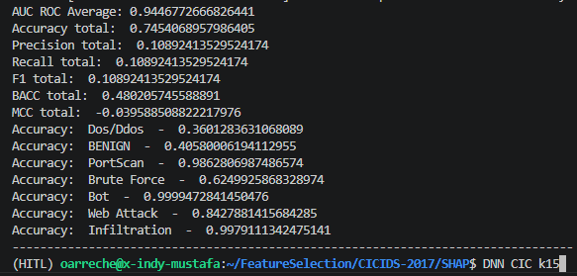
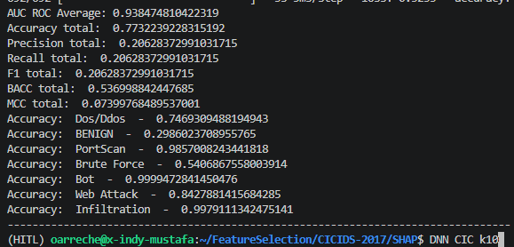
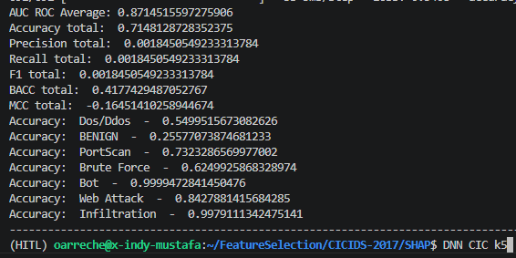

SVM
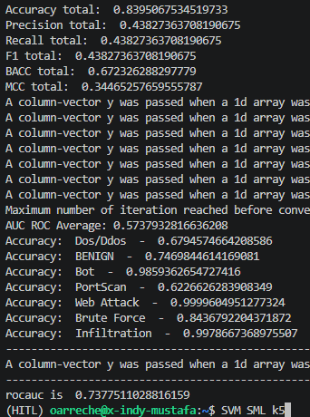
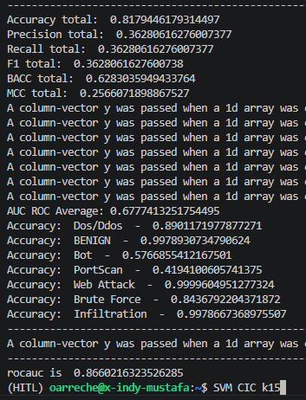
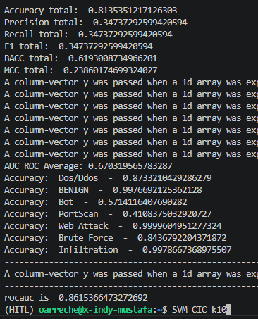

ADA
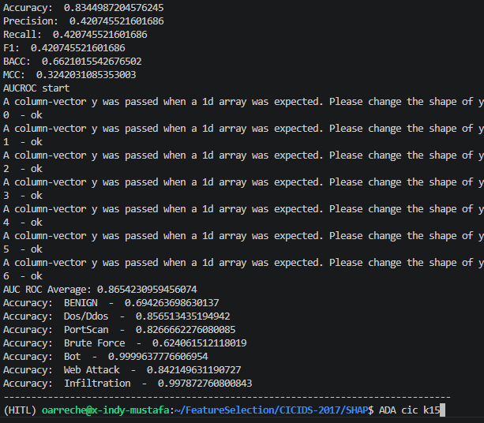
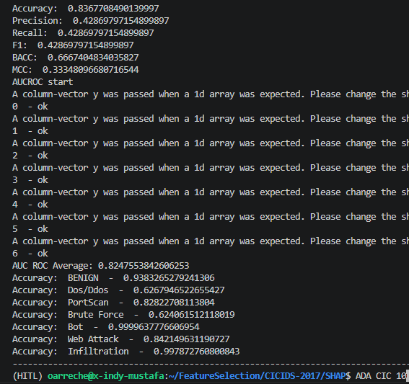
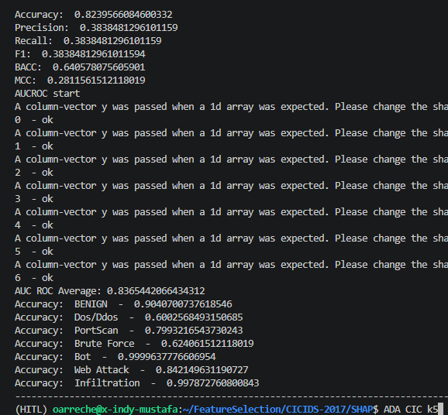

LGBM
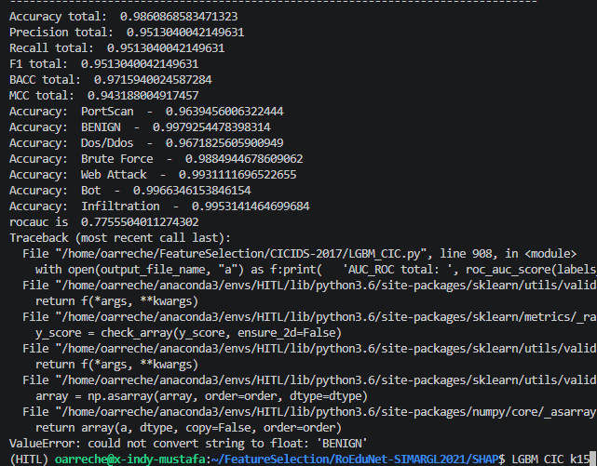
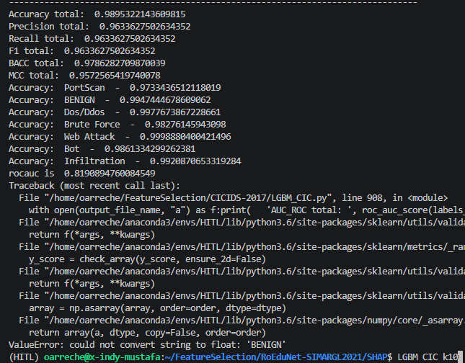
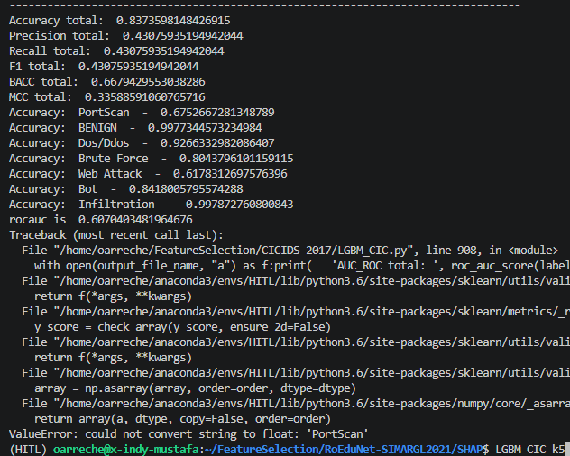

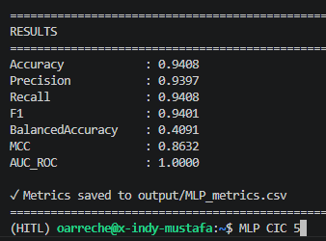
MLP
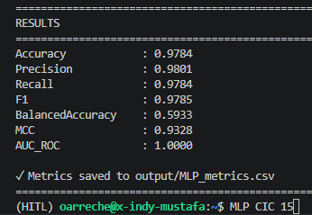
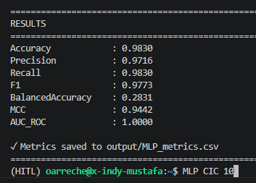

KNN

SML Normalized
RF
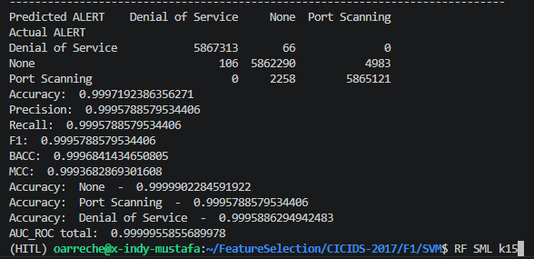
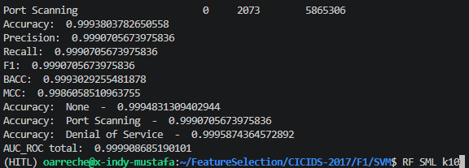
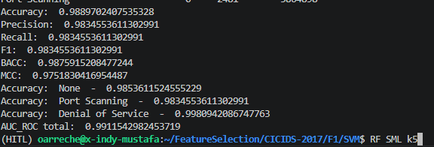

DNN
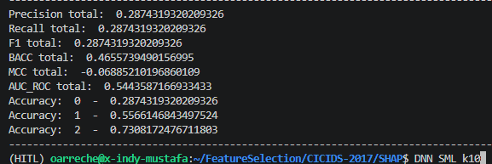
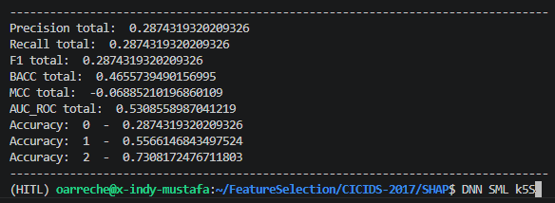
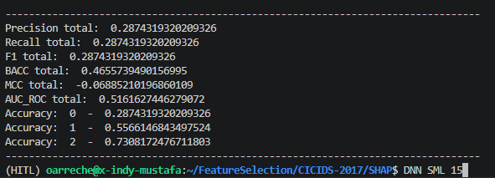

LGBM

ADA
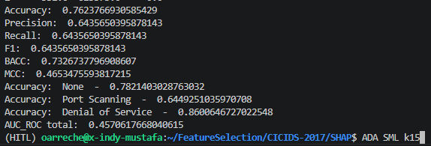

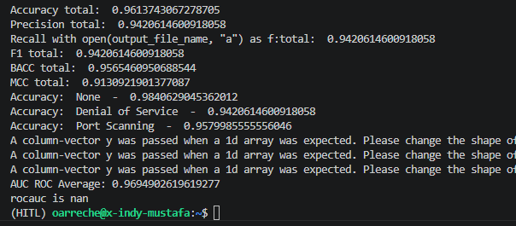
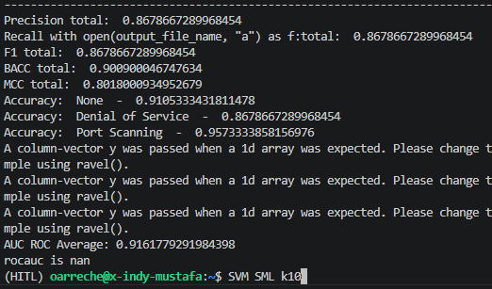
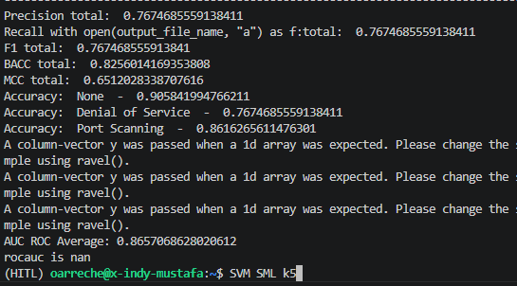
SVM

KNN
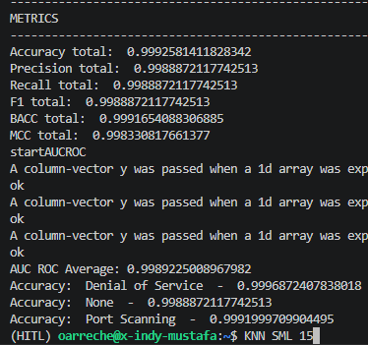
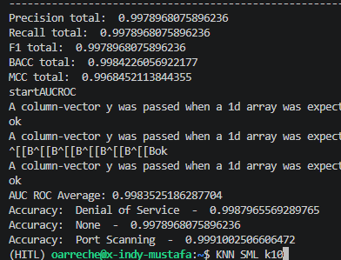
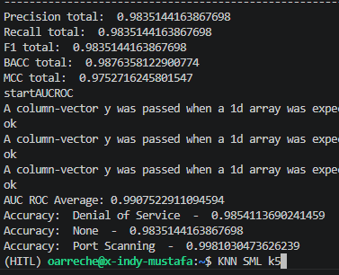

MLP

CIC F1 Overall Results
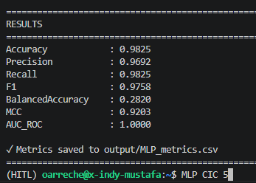
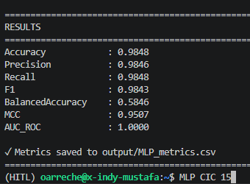
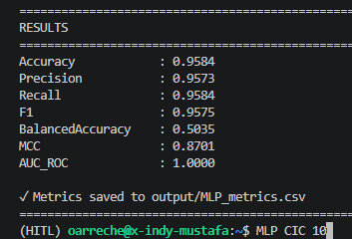
RF

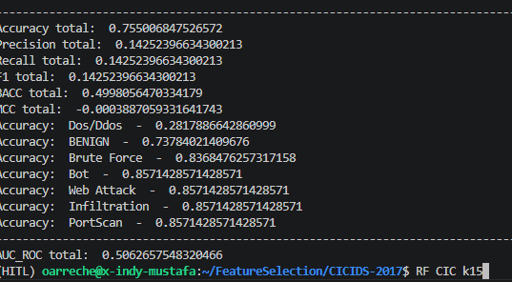
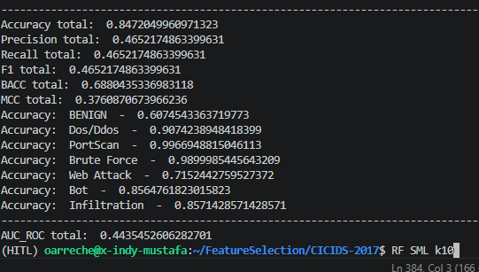
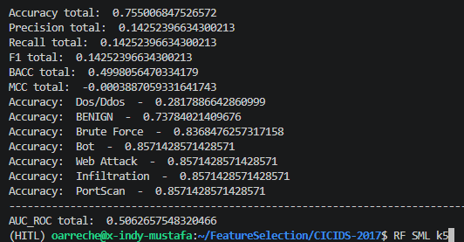

DNN

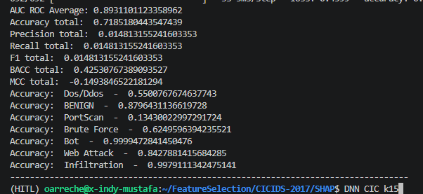
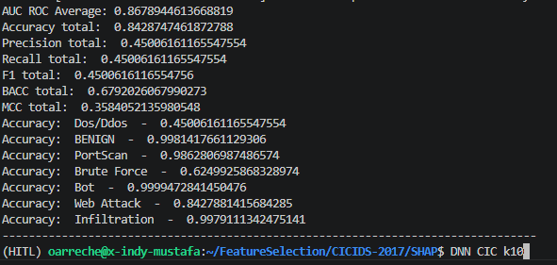
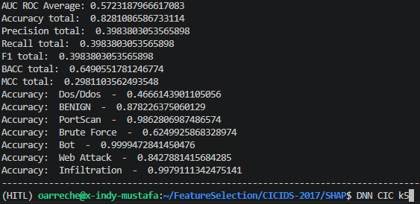

LGBM

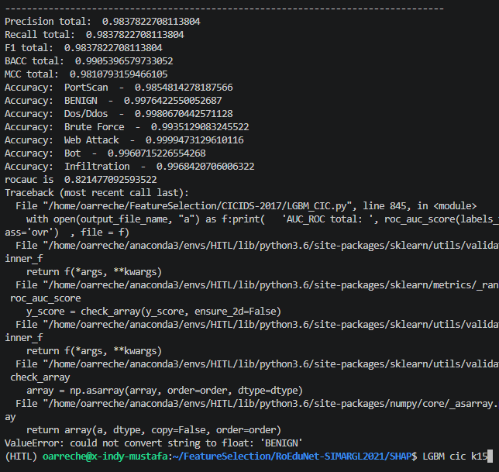

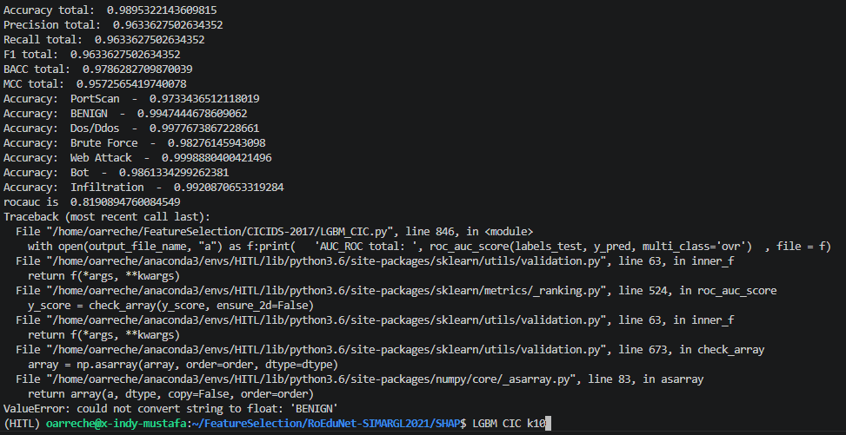
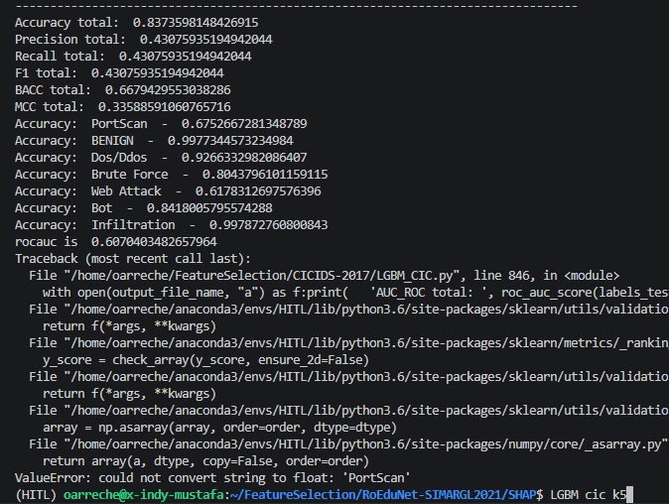

SVM
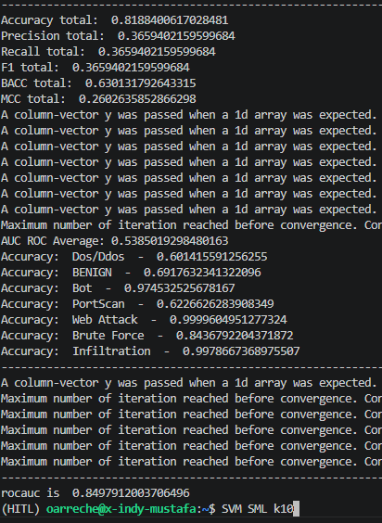
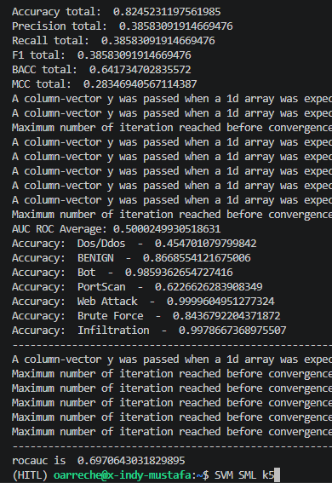
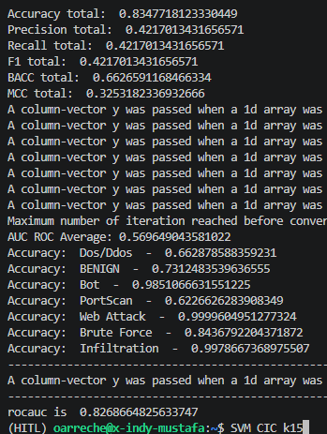

ADA

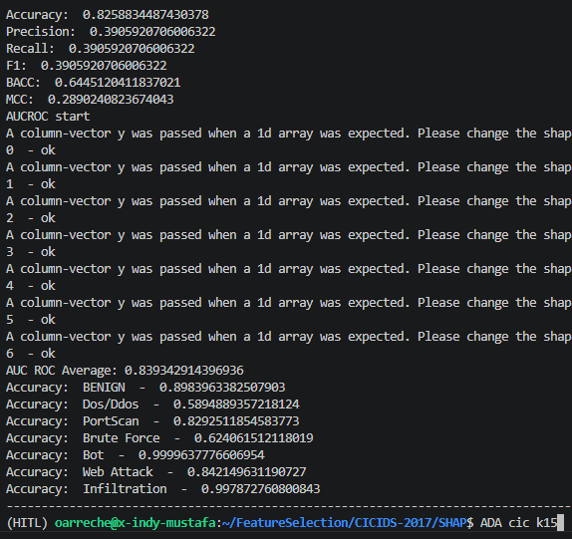






KNN

MLP

MLP

SML ACC-F1 Overall results
1 | RF




2 | DNN




3 | LGBM

4 | ADA


5 | SVM




6 | KNN



7 | MLP

SML-FEAT Selec
DATA COLLECTION
 | INDEX | DNN | SHAP | Normalized SHAP | Rank x Raw SHAP X F1 | Rank x Normalized SHAP X F1 |  | RF | SHAP | SHAP_Normalized | Rank x Raw SHAP X F1 | Rank x Normalized SHAP X F1 |  | LGBM | SHAP | SHAP_Normalized | Rank x Raw SHAP X F1 | Rank x Normalized SHAP X F1 |  | SVM | SHAP | SHAP_Normalized | Rank x Raw SHAP X F1 | Rank x Normalized SHAP X F1 |  | KNN | SHAP |  | Rank x Raw SHAP X F1 | Rank x Normalized SHAP X F1 |  | ADA | SHAP | SHAP_Normalized | Rank x Raw SHAP X F1 | Rank x Normalized SHAP X F1 |  | MLP | SHAP | SHAP_Normalized | Rank x Raw SHAP X F1 | Rank x Normalized SHAP X F1
 | ACC | 0.951 |  |  |  |  |  | 0.995 |  |  |  |  |  | 0.999 |  |  |  |  |  | 0.967 |  |  |  |  |  | 0.422 |  |  |  |  |  | 0.761 |  |  |  |  |  | 0.999
 | F1 | 0.953 |  |  |  |  |  | 0.995 |  |  |  |  |  | 0.999 |  |  |  |  |  | 0.967 |  |  |  |  |  | 0.133 |  |  |  |  |  | 0.682 |  |  |  |  |  | 0.999
Most important | 15 | PROTOCOL | 0.26767629539 | 1 | 4.0151444309 | 15 | 15 | TCP_WIN_MSS_IN | 0.08808632325 | 1 | 1.3146883745 | 14.925 | 15 | FIRST_SWITCHED | 54.173082551 | 1 | 811.78364203 | 14.985 | 15 | L4_DST_PORT | 0.73491811515 | 1 | 10.65998726 | 14.505 | 15 | TCP_WIN_SCALE_IN | 0.182994 | 1 | 0.36507303 | 1.995 | 15 | OUT_PKTS | 0.16 | 1 | 1.6368 | 10.23 | 15 | TCP_WIN_SCALE_IN | 0.049745368467 | 1 | 0.74543434648 | 14.985
 | 14 | TCP_WIN_SCALE_IN | 0.16530917033 | 0.61757119767 | 2.2055549506 | 8.2396349193 | 14 | TCP_WIN_MAX_IN | 0.058681515997 | 0.66618192055 | 0.81743351783 | 9.2799141532 | 14 | LAST_SWITCHED | 50.046679399 | 0.9238292717 | 699.95285807 | 12.920676194 | 14 | TCP_WIN_SCALE_IN | 0.66697821268 | 0.90755445937 | 9.0295510433 | 12.286472271 | 14 | TOTAL_FLOWS_EXP | 0.174136 | 0.95159404133 | 0.324241232 | 1.771868105 | 14 | FLOW_DURATION_MILLISECONDS | 0.14 | 0.875 | 1.33672 | 8.3545 | 14 | TCP_WIN_MAX_IN | 0.04548035872 | 0.91426317908 | 0.63608829705 | 12.786884823
 | 13 | TCP_WIN_MIN_IN | 0.14704001161 | 0.54932025786 | 1.8216787038 | 6.8055286746 | 13 | TCP_WIN_SCALE_IN | 0.046497812556 | 0.52786642512 | 0.60144920541 | 6.8279522089 | 13 | L4_SRC_PORT | 21.122827827 | 0.38991371419 | 274.32216498 | 5.0638094061 | 13 | TCP_WIN_MAX_OUT | 0.48815873396 | 0.66423554393 | 6.1366434447 | 8.3501050228 | 13 | TCP_WIN_MAX_IN | 0.165279 | 0.90319354733 | 0.285767391 | 1.5616216433 | 13 | TCP_WIN_MSS_IN | 0.14 | 0.875 | 1.24124 | 7.75775 | 13 | TCP_WIN_MIN_IN | 0.045337299717 | 0.91138735351 | 0.58879551142 | 11.83618756
 | 12 | TCP_WIN_MSS_IN | 0.11469922397 | 0.42849974371 | 1.3117003254 | 4.900323069 | 12 | TCP_WIN_MIN_IN | 0.044699274499 | 0.50744852151 | 0.53370933751 | 6.0589353469 | 12 | FLOW_ID | 10.930339106 | 0.20176697709 | 131.03290521 | 2.4187825214 | 12 | PROTOCOL | 0.4756573294 | 0.64722493512 | 5.5195276503 | 7.5103981471 | 12 | TCP_WIN_MIN_IN | 0.164692 | 0.89998579188 | 0.262848432 | 1.4363773238 | 12 | TCP_WIN_SCALE_IN | 0.14 | 0.875 | 1.14576 | 7.161 | 12 | L4_DST_PORT | 0.037473967924 | 0.7533157172 | 0.44923792748 | 9.0307488178

 | 11 | TCP_WIN_MAX_IN | 0.10509323013 | 0.39261313736 | 1.1016923315 | 4.115763519 | 11 | FLOW_DURATION_MILLISECONDS | 0.032468400687 | 0.36859752444 | 0.35536664552 | 4.034299905 | 11 | FLOW_DURATION_MILLISECONDS | 9.6016410155 | 0.17724007133 | 105.51243312 | 1.9476911438 | 11 | TCP_WIN_MIN_OUT | 0.43511539446 | 0.59205969412 | 4.6283224509 | 6.2977389664 | 11 | TCP_WIN_MSS_IN | 0.128771 | 0.70368973846 | 0.188391973 | 1.0294980874 | 11 | TCP_FLAGS | 0.08 | 0.5 | 0.60016 | 3.751 | 11 | PROTOCOL | 0.034274702275 | 0.68900288269 | 0.3766447033 | 7.5714526779
 | 10 | L4_SRC_PORT | 0.050694709387 | 0.18938811639 | 0.48312058046 | 1.8048687492 | 10 | TCP_FLAGS | 0.02874028787 | 0.32627412304 | 0.28596586431 | 3.2464275243 | 10 | TCP_WIN_SCALE_IN | 9.3322178105 | 0.17226669355 | 93.228855927 | 1.7209442686 | 10 | TCP_WIN_MIN_IN | 0.38405347922 | 0.52257996 | 3.7137971441 | 5.0533482132 | 10 | TCP_FLAGS | 0.067586 | 0.3693345137 | 0.08988938 | 0.49121490322 | 10 | TCP_WIN_MIN_OUT | 0.06 | 0.375 | 0.4092 | 2.5575 | 10 | TCP_WIN_MSS_IN | 0.03024609927 | 0.60801839854 | 0.30215853171 | 6.0741038014
 | 9 | L4_DST_PORT | 0.037183627673 | 0.13891266546 | 0.31892397455 | 1.1914539316 | 9 | TCP_WIN_MIN_OUT | 0.024152089579 | 0.27418660114 | 0.21628196218 | 2.4553410132 | 9 | TCP_WIN_MIN_IN | 8.7946455242 | 0.16234345749 | 79.072657908 | 1.4596300263 | 9 | TCP_WIN_MAX_IN | 0.38286486949 | 0.52096262372 | 3.3320729592 | 4.5339377143 | 9 | FLOW_DURATION_MILLISECONDS | 0.043651 | 0.23853787556 | 0.052250247 | 0.28552983704 | 9 | L4_DST_PORT | 0.06 | 0.375 | 0.36828 | 2.30175 | 9 | L4_SRC_PORT | 0.02674850098 | 0.53770836973 | 0.24049577231 | 4.8345359522
 | 8 | SRC_TOS | 0.028414829849 | 0.10615370258 | 0.21663466277 | 0.80931582847 | 8 | TOTAL_FLOWS_EXP | 0.020953356467 | 0.23787298293 | 0.16678871748 | 1.8934689442 | 8 | TCP_WIN_MAX_IN | 7.423464671 | 0.13703234746 | 59.328329651 | 1.0951625209 | 8 | L4_SRC_PORT | 0.28568012426 | 0.38872374808 | 2.2100214413 | 3.0071669152 | 8 | PROTOCOL | 0.030715 | 0.16784703324 | 0.03268076 | 0.17858924336 | 8 | TCP_WIN_MAX_OUT | 0.06 | 0.375 | 0.32736 | 2.046 | 8 | TOTAL_FLOWS_EXP | 0.023813202618 | 0.47870190434 | 0.19031511532 | 3.8257856195
 | 7 | TCP_WIN_MAX_OUT | 0.025562316595 | 0.095497124831 | 0.17052621401 | 0.63706131975 | 7 | TCP_WIN_MAX_OUT | 0.016762379605 | 0.19029491738 | 0.11674997395 | 1.3254040996 | 7 | OUT_BYTES | 3.4011716191 | 0.062783424146 | 23.784393133 | 0.43904448505 | 7 | SRC_TOS | 0.27135435084 | 0.36923072822 | 1.8367976009 | 2.4993227993 | 7 | SRC_TOS | 0.023787 | 0.12998786845 | 0.022145697 | 0.12101870553 | 7 | TCP_WIN_MIN_IN | 0.06 | 0.375 | 0.28644 | 1.79025 | 7 | FLOW_ID | 0.023422864498 | 0.4708551815 | 0.16379609144 | 3.2926902842
 | 6 | TCP_WIN_SCALE_OUT | 0.021735659122 | 0.081201284895 | 0.12428449886 | 0.46430894703 | 6 | LAST_SWITCHED | 0.014064697555 | 0.15966948144 | 0.083966244406 | 0.95322680421 | 6 | IN_BYTES | 2.8939140812 | 0.053419778697 | 17.346121003 | 0.32019815351 | 6 | DST_TOS | 0.14701956034 | 0.20004889975 | 0.85300748912 | 1.1606837164 | 6 | TCP_WIN_MIN_OUT | 0.023572 | 0.12881296655 | 0.018810456 | 0.1027927473 | 6 | SRC_TOS | 0.02 | 0.125 | 0.08184 | 0.5115 | 6 | TCP_FLAGS | 0.021303684725 | 0.42825463718 | 0.12769428624 | 2.5669582953
 | 5 | TCP_WIN_MIN_OUT | 0.019028750434 | 0.071088664784 | 0.090671995817 | 0.3387374877 | 5 | FIRST_SWITCHED | 0.012944704991 | 0.14695476566 | 0.064399907329 | 0.73109995914 | 5 | IN_PKTS | 2.7038943327 | 0.049912137271 | 13.505952192 | 0.24931112567 | 5 | FLOW_DURATION_MILLISECONDS | 0.12875758306 | 0.17519990378 | 0.62254291409 | 0.84709153476 | 5 | DST_TOS | 0.022008 | 0.12026623824 | 0.01463532 | 0.079977048428 | 5 | IN_PKTS | 0.02 | 0.125 | 0.0682 | 0.42625 | 5 | TCP_WIN_MAX_OUT | 0.0085990459109 | 0.17286123665 | 0.042952234325 | 0.86344187707
 | 4 | FLOW_DURATION_MILLISECONDS | 0.018825869756 | 0.070330731858 | 0.07176421551 | 0.26810074984 | 4 | PROTOCOL | 0.011229944264 | 0.12748794421 | 0.04469517817 | 0.50740201794 | 4 | L4_DST_PORT | 2.5383340948 | 0.046856002562 | 10.143183043 | 0.18723658624 | 4 | TCP_WIN_MSS_IN | 0.12830513956 | 0.17458426581 | 0.49628427983 | 0.67529194014 | 4 | TCP_WIN_MAX_OUT | 0.021714 | 0.11865962818 | 0.011551848 | 0.063126922194 | 4 | FLOW_ID | 0.02 | 0.125 | 0.05456 | 0.341 | 4 | TCP_WIN_MIN_OUT | 0.0076391261326 | 0.15356457029 | 0.030525948026 | 0.61364402288
 | 3 | DST_TOS | 0.018200174676 | 0.067993225359 | 0.052034299399 | 0.1943926313 | 3 | SRC_TOS | 0.0053810846103 | 0.061088763973 | 0.016062537562 | 0.18234996046 | 3 | TCP_WIN_MIN_OUT | 1.7587493942 | 0.032465374156 | 5.2709719344 | 0.097298726345 | 3 | TCP_FLAGS | 0.12389262802 | 0.16858017984 | 0.35941251388 | 0.48905110171 | 3 | TCP_WIN_SCALE_OUT | 0.016468 | 0.089992021596 | 0.006570732 | 0.035906816617 | 3 | TCP_WIN_MAX_IN | 0.02 | 0.125 | 0.04092 | 0.25575 | 3 | SRC_TOS | 0.007623208886 | 0.15324459585 | 0.022846757031 | 0.45927405375
 | 2 | TCP_FLAGS | 0.0056926233806 | 0.021266819209 | 0.010850140163 | 0.040534557412 | 2 | TCP_WIN_SCALE_OUT | 0.0034055560822 | 0.038661576014 | 0.0067770566035 | 0.076936536269 | 2 | SRC_TOS | 1.7065952513 | 0.031502642473 | 3.4097773121 | 0.062942279661 | 2 | FLOW_ID | 0.10780297483 | 0.14668705615 | 0.20849095331 | 0.2836927666 | 2 | LAST_SWITCHED | 0.001549 | 0.0084647584074 | 0.000412034 | 0.0022516257364 | 2 | PROTOCOL | 0.02 | 0.125 | 0.02728 | 0.1705 | 2 | TCP_WIN_SCALE_OUT | 0.006720543787 | 0.13509888446 | 0.013427646486 | 0.26992757115
Least Important | 1 | TOTAL_FLOWS_EXP | 0.0021201662137 | 0.0079206349242 | 0.0020205184016 | 0.0075483650827 | 1 | DST_TOS | 0.0012917342066 | 0.014664412805 | 0.0012852755356 | 0.014591090741 | 1 | TCP_WIN_MAX_OUT | 1.4135748994 | 0.026093676653 | 1.4121613245 | 0.026067582976 | 1 | TOTAL_FLOWS_EXP | 0.10769495658 | 0.14654007618 | 0.10414102302 | 0.14170425367 | 1 | FIRST_SWITCHED | 0.001096 | 0.0059892674077 | 0.000145768 | 0.00079657256522 | 1 | L4_SRC_PORT | 0 | 0 | 0 | 0 | 1 | DST_TOS | 0.0047207235856 | 0.094897750907 | 0.004716002862 | 0.094802853156

ALFHABETICAL ORDER

 | INDEX | DNN | SHAP | Normalized SHAP | Rank x Raw SHAP X F1 | Rank x Normalized SHAP X F1 | INDEX | RF | SHAP | Normalized SHAP | Rank x Raw SHAP X F1 | Rank x Normalized SHAP X F1 | INDEX | LGBM | SHAP | Normalized SHAP | Rank x Raw SHAP X F1 | Rank x Normalized SHAP X F1 | INDEX | SVM | SHAP | Normalized SHAP | Rank x Raw SHAP X F1 | Rank x Normalized SHAP X F1 | INDEX | KNN | SHAP | Normalized SHAP | Rank x Raw SHAP X F1 | Rank x Normalized SHAP X F1 | INDEX | ADA | SHAP | Normalized SHAP | Rank x Raw SHAP X F1 | Rank x Normalized SHAP X F1 | INDEX | MLP | SHAP | Normalized SHAP | Rank x Raw SHAP X F1 | Rank x Normalized SHAP X F1

 | 3 | DST_TOS | 0.018200174676 | 0.067993225359 | 0.052034299399 | 0.1943926313 | 1 | DST_TOS | 0.0012917342066 | 0.014664412805 | 0.0012852755356 | 0.014591090741 | 0 | DST_TOS | 0 | 0 | 0 | 0 | 6 | DST_TOS | 0.14701956034 | 0.20004889975 | 0.85300748912 | 1.1606837164 | 5 | DST_TOS | 0.022008 | 0.12026623824 | 0.01463532 | 0.079977048428 | 0 | DST_TOS | 0 | 0 | 0 | 0 | 1 | DST_TOS | 0.0047207235856 | 0.094897750907 | 0.004716002862 | 0.094802853156
 | 4 | FLOW_DURATION_MILLISECONDS | 0.018825869756 | 0.070330731858 | 0.07176421551 | 0.26810074984 | 11 | FLOW_DURATION_MILLISECONDS | 0.032468400687 | 0.36859752444 | 0.35536664552 | 4.034299905 | 11 | FLOW_DURATION_MILLISECONDS | 9.6016410155 | 0.17724007133 | 105.51243312 | 1.9476911438 | 5 | FLOW_DURATION_MILLISECONDS | 0.12875758306 | 0.17519990378 | 0.62254291409 | 0.84709153476 | 9 | FLOW_DURATION_MILLISECONDS | 0.043651 | 0.23853787556 | 0.052250247 | 0.28552983704 | 14 | FLOW_DURATION_MILLISECONDS | 0.14 | 0.875 | 1.33672 | 8.3545 | 0 | FLOW_DURATION_MILLISECONDS | 0 | 0 | 0 | 0
 | 9 | L4_DST_PORT | 0.037183627673 | 0.13891266546 | 0.31892397455 | 1.1914539316 | 0 | L4_DST_PORT | 0 | 0 | 0 | 0 | 4 | L4_DST_PORT | 2.5383340948 | 0.046856002562 | 10.143183043 | 0.18723658624 | 15 | L4_DST_PORT | 0.73491811515 | 1 | 10.65998726 | 14.505 | 0 | L4_DST_PORT | 0 | 0 | 0 | 0 | 9 | L4_DST_PORT | 0.06 | 0.375 | 0.36828 | 2.30175 | 12 | L4_DST_PORT | 0.037473967924 | 0.7533157172 | 0.44923792748 | 9.0307488178
 | 10 | L4_SRC_PORT | 0.050694709387 | 0.18938811639 | 0.48312058046 | 1.8048687492 | 0 | L4_SRC_PORT | 0 | 0 | 0 | 0 | 13 | L4_SRC_PORT | 21.122827827 | 0.38991371419 | 274.32216498 | 5.0638094061 | 8 | L4_SRC_PORT | 0.28568012426 | 0.38872374808 | 2.2100214413 | 3.0071669152 | 0 | L4_SRC_PORT | 0 | 0 | 0 | 0 | 1 | L4_SRC_PORT | 0 | 0 | 0 | 0 | 9 | L4_SRC_PORT | 0.02674850098 | 0.53770836973 | 0.24049577231 | 4.8345359522
 | 15 | PROTOCOL | 0.26767629539 | 1 | 4.0151444309 | 15 | 4 | PROTOCOL | 0.011229944264 | 0.12748794421 | 0.04469517817 | 0.50740201794 | 0 | PROTOCOL | 0 | 0 | 0 | 0 | 12 | PROTOCOL | 0.4756573294 | 0.64722493512 | 5.5195276503 | 7.5103981471 | 8 | PROTOCOL | 0.030715 | 0.16784703324 | 0.03268076 | 0.17858924336 | 2 | PROTOCOL | 0.02 | 0.125 | 0.02728 | 0.1705 | 11 | PROTOCOL | 0.034274702275 | 0.68900288269 | 0.3766447033 | 7.5714526779
 | 8 | SRC_TOS | 0.028414829849 | 0.10615370258 | 0.21663466277 | 0.80931582847 | 3 | SRC_TOS | 0.0053810846103 | 0.061088763973 | 0.016062537562 | 0.18234996046 | 2 | SRC_TOS | 1.7065952513 | 0.031502642473 | 3.4097773121 | 0.062942279661 | 7 | SRC_TOS | 0.27135435084 | 0.36923072822 | 1.8367976009 | 2.4993227993 | 7 | SRC_TOS | 0.023787 | 0.12998786845 | 0.022145697 | 0.12101870553 | 6 | SRC_TOS | 0.02 | 0.125 | 0.08184 | 0.5115 | 3 | SRC_TOS | 0.007623208886 | 0.15324459585 | 0.022846757031 | 0.45927405375
 | 2 | TCP_FLAGS | 0.0056926233806 | 0.021266819209 | 0.010850140163 | 0.040534557412 | 10 | TCP_FLAGS | 0.02874028787 | 0.32627412304 | 0.28596586431 | 3.2464275243 | 0 | TCP_FLAGS | 0 | 0 | 0 | 0 | 3 | TCP_FLAGS | 0.12389262802 | 0.16858017984 | 0.35941251388 | 0.48905110171 | 10 | TCP_FLAGS | 0.067586 | 0.3693345137 | 0.08988938 | 0.49121490322 | 11 | TCP_FLAGS | 0.08 | 0.5 | 0.60016 | 3.751 | 6 | TCP_FLAGS | 0.021303684725 | 0.42825463718 | 0.12769428624 | 2.5669582953
 | 11 | TCP_WIN_MAX_IN | 0.10509323013 | 0.39261313736 | 1.1016923315 | 4.115763519 | 14 | TCP_WIN_MAX_IN | 0.058681515997 | 0.66618192055 | 0.81743351783 | 9.2799141532 | 8 | TCP_WIN_MAX_IN | 7.423464671 | 0.13703234746 | 59.328329651 | 1.0951625209 | 9 | TCP_WIN_MAX_IN | 0.38286486949 | 0.52096262372 | 3.3320729592 | 4.5339377143 | 13 | TCP_WIN_MAX_IN | 0.165279 | 0.90319354733 | 0.285767391 | 1.5616216433 | 3 | TCP_WIN_MAX_IN | 0.02 | 0.125 | 0.04092 | 0.25575 | 14 | TCP_WIN_MAX_IN | 0.04548035872 | 0.91426317908 | 0.63608829705 | 12.786884823
 | 7 | TCP_WIN_MAX_OUT | 0.025562316595 | 0.095497124831 | 0.17052621401 | 0.63706131975 | 7 | TCP_WIN_MAX_OUT | 0.016762379605 | 0.19029491738 | 0.11674997395 | 1.3254040996 | 1 | TCP_WIN_MAX_OUT | 1.4135748994 | 0.026093676653 | 1.4121613245 | 0.026067582976 | 13 | TCP_WIN_MAX_OUT | 0.48815873396 | 0.66423554393 | 6.1366434447 | 8.3501050228 | 4 | TCP_WIN_MAX_OUT | 0.021714 | 0.11865962818 | 0.011551848 | 0.063126922194 | 8 | TCP_WIN_MAX_OUT | 0.06 | 0.375 | 0.32736 | 2.046 | 5 | TCP_WIN_MAX_OUT | 0.0085990459109 | 0.17286123665 | 0.042952234325 | 0.86344187707
 | 13 | TCP_WIN_MIN_IN | 0.14704001161 | 0.54932025786 | 1.8216787038 | 6.8055286746 | 12 | TCP_WIN_MIN_IN | 0.044699274499 | 0.50744852151 | 0.53370933751 | 6.0589353469 | 9 | TCP_WIN_MIN_IN | 8.7946455242 | 0.16234345749 | 79.072657908 | 1.4596300263 | 10 | TCP_WIN_MIN_IN | 0.38405347922 | 0.52257996 | 3.7137971441 | 5.0533482132 | 12 | TCP_WIN_MIN_IN | 0.164692 | 0.89998579188 | 0.262848432 | 1.4363773238 | 7 | TCP_WIN_MIN_IN | 0.06 | 0.375 | 0.28644 | 1.79025 | 13 | TCP_WIN_MIN_IN | 0.045337299717 | 0.91138735351 | 0.58879551142 | 11.83618756
 | 5 | TCP_WIN_MIN_OUT | 0.019028750434 | 0.071088664784 | 0.090671995817 | 0.3387374877 | 9 | TCP_WIN_MIN_OUT | 0.024152089579 | 0.27418660114 | 0.21628196218 | 2.4553410132 | 3 | TCP_WIN_MIN_OUT | 1.7587493942 | 0.032465374156 | 5.2709719344 | 0.097298726345 | 11 | TCP_WIN_MIN_OUT | 0.43511539446 | 0.59205969412 | 4.6283224509 | 6.2977389664 | 6 | TCP_WIN_MIN_OUT | 0.023572 | 0.12881296655 | 0.018810456 | 0.1027927473 | 10 | TCP_WIN_MIN_OUT | 0.06 | 0.375 | 0.4092 | 2.5575 | 4 | TCP_WIN_MIN_OUT | 0.0076391261326 | 0.15356457029 | 0.030525948026 | 0.61364402288
 | 12 | TCP_WIN_MSS_IN | 0.11469922397 | 0.42849974371 | 1.3117003254 | 4.900323069 | 15 | TCP_WIN_MSS_IN | 0.08808632325 | 1 | 1.3146883745 | 14.925 | 0 | TCP_WIN_MSS_IN | 0 | 0 | 0 | 0 | 4 | TCP_WIN_MSS_IN | 0.12830513956 | 0.17458426581 | 0.49628427983 | 0.67529194014 | 11 | TCP_WIN_MSS_IN | 0.128771 | 0.70368973846 | 0.188391973 | 1.0294980874 | 13 | TCP_WIN_MSS_IN | 0.14 | 0.875 | 1.24124 | 7.75775 | 10 | TCP_WIN_MSS_IN | 0.03024609927 | 0.60801839854 | 0.30215853171 | 6.0741038014
 | 14 | TCP_WIN_SCALE_IN | 0.16530917033 | 0.61757119767 | 2.2055549506 | 8.2396349193 | 13 | TCP_WIN_SCALE_IN | 0.046497812556 | 0.52786642512 | 0.60144920541 | 6.8279522089 | 10 | TCP_WIN_SCALE_IN | 9.3322178105 | 0.17226669355 | 93.228855927 | 1.7209442686 | 14 | TCP_WIN_SCALE_IN | 0.66697821268 | 0.90755445937 | 9.0295510433 | 12.286472271 | 15 | TCP_WIN_SCALE_IN | 0.182994 | 1 | 0.36507303 | 1.995 | 12 | TCP_WIN_SCALE_IN | 0.14 | 0.875 | 1.14576 | 7.161 | 15 | TCP_WIN_SCALE_IN | 0.049745368467 | 1 | 0.74543434648 | 14.985
 | 6 | TCP_WIN_SCALE_OUT | 0.021735659122 | 0.081201284895 | 0.12428449886 | 0.46430894703 | 2 | TCP_WIN_SCALE_OUT | 0.0034055560822 | 0.038661576014 | 0.0067770566035 | 0.076936536269 | 0 | TCP_WIN_SCALE_OUT | 0 | 0 | 0 | 0 | 0 | TCP_WIN_SCALE_OUT | 0 | 0 | 0 | 0 | 3 | TCP_WIN_SCALE_OUT | 0.016468 | 0.089992021596 | 0.006570732 | 0.035906816617 | 0 | TCP_WIN_SCALE_OUT | 0 | 0 | 0 | 0 | 2 | TCP_WIN_SCALE_OUT | 0.006720543787 | 0.13509888446 | 0.013427646486 | 0.26992757115
 | 1 | TOTAL_FLOWS_EXP | 0.0021201662137 | 0.0079206349242 | 0.0020205184016 | 0.0075483650827 | 8 | TOTAL_FLOWS_EXP | 0.020953356467 | 0.23787298293 | 0.16678871748 | 1.8934689442 | 0 | TOTAL_FLOWS_EXP | 0 | 0 | 0 | 0 | 1 | TOTAL_FLOWS_EXP | 0.10769495658 | 0.14654007618 | 0.10414102302 | 0.14170425367 | 14 | TOTAL_FLOWS_EXP | 0.174136 | 0.95159404133 | 0.324241232 | 1.771868105 | 0 | TOTAL_FLOWS_EXP | 0 | 0 | 0 | 0 | 8 | TOTAL_FLOWS_EXP | 0.023813202618 | 0.47870190434 | 0.19031511532 | 3.8257856195
 | 0 | FIRST_SWITCHED | 0 | 0 | 0 | 0 | 5 | FIRST_SWITCHED | 0.012944704991 | 0.14695476566 | 0.064399907329 | 0.73109995914 | 15 | FIRST_SWITCHED | 54.173082551 | 1 | 811.78364203 | 14.985 | 0 | FIRST_SWITCHED | 0 | 0 | 0 | 0 | 1 | FIRST_SWITCHED | 0.001096 | 0.0059892674077 | 0.000145768 | 0.00079657256522 | 0 | FIRST_SWITCHED | 0 | 0 | 0 | 0 | 0 | FIRST_SWITCHED | 0 | 0 | 0 | 0
 | 0 | LAST_SWITCHED | 0 | 0 | 0 | 0 | 6 | LAST_SWITCHED | 0.014064697555 | 0.15966948144 | 0.083966244406 | 0.95322680421 | 14 | LAST_SWITCHED | 50.046679399 | 0.9238292717 | 699.95285807 | 12.920676194 | 0 | LAST_SWITCHED | 0 | 0 | 0 | 0 | 2 | LAST_SWITCHED | 0.001549 | 0.0084647584074 | 0.000412034 | 0.0022516257364 | 0 | LAST_SWITCHED | 0 | 0 | 0 | 0 | 0 | LAST_SWITCHED | 0 | 0 | 0 | 0
 | 0 | FLOW_ID | 0 | 0 | 0 | 0 | 0 | FLOW_ID | 0 | 0 | 0 | 0 | 12 | FLOW_ID | 10.930339106 | 0.20176697709 | 131.03290521 | 2.4187825214 | 2 | FLOW_ID | 0.10780297483 | 0.14668705615 | 0.20849095331 | 0.2836927666 | 0 | FLOW_ID | 0 | 0 | 0 | 0 | 4 | FLOW_ID | 0.02 | 0.125 | 0.05456 | 0.341 | 7 | FLOW_ID | 0.023422864498 | 0.4708551815 | 0.16379609144 | 3.2926902842
 | 0 | IN_BYTES | 0 | 0 | 0 | 0 | 0 | IN_BYTES | 0 | 0 | 0 | 0 | 6 | IN_BYTES | 2.8939140812 | 0.053419778697 | 17.346121003 | 0.32019815351 | 0 | IN_BYTES | 0 | 0 | 0 | 0 | 0 | IN_BYTES | 0 | 0 | 0 | 0 | 0 | IN_BYTES | 0 | 0 | 0 | 0 | 0 | IN_BYTES | 0 | 0 | 0 | 0
 | 0 | IN_PKTS | 0 | 0 | 0 | 0 | 0 | IN_PKTS | 0 | 0 | 0 | 0 | 5 | IN_PKTS | 2.7038943327 | 0.049912137271 | 13.505952192 | 0.24931112567 | 0 | IN_PKTS | 0 | 0 | 0 | 0 | 0 | IN_PKTS | 0 | 0 | 0 | 0 | 5 | IN_PKTS | 0.02 | 0.125 | 0.0682 | 0.42625 | 0 | IN_PKTS | 0 | 0 | 0 | 0
 | 0 | OUT_BYTES | 0 | 0 | 0 | 0 | 0 | OUT_BYTES | 0 | 0 | 0 | 0 | 7 | OUT_BYTES | 3.4011716191 | 0.062783424146 | 23.784393133 | 0.43904448505 | 0 | OUT_BYTES | 0 | 0 | 0 | 0 | 0 | OUT_BYTES | 0 | 0 | 0 | 0 | 0 | OUT_BYTES | 0 | 0 | 0 | 0 | 0 | OUT_BYTES | 0 | 0 | 0 | 0
 | 0 | OUT_PKTS | 0 | 0 | 0 | 0 | 0 | OUT_PKTS | 0 | 0 | 0 | 0 | 0 | OUT_PKTS | 0 | 0 | 0 | 0 | 0 | OUT_PKTS | 0 | 0 | 0 | 0 | 0 | OUT_PKTS | 0 | 0 | 0 | 0 | 15 | OUT_PKTS | 0.16 | 1 | 1.6368 | 10.23 | 0 | OUT_PKTS | 0 | 0 | 0 | 0


ALFHABETICAL ORDER


 | WEIGHT | F1 |  |  |  |  |  | WEIGHT | ACC |  |  |  |  | WEIGHT | F1 |  |  |  |  | WEIGHT | ACC
 | Common Features by Overall Weighted Rank Step-by-Step |  |  |  |  |  |  | Common Features by Overall Weighted Rank Step-by-Step |  |  |  |  |  | Common Features by Overall NORMALIZED Rank Step-by-Step |  |  |  |  |  | Common Features by Overall NORMALIZED Rank Step-by-Step
 | DST_TOS | 0.1260547947 |  |  |  |  |  | DST_TOS | 0.12664415739 |  |  |  |  | DST_TOS | 0.20392863777 |  |  |  |  | DST_TOS | 0.20717500659
 | FLOW_DURATION_MILLISECONDS | 15.335641874 |  |  |  |  |  | FLOW_DURATION_MILLISECONDS | 15.352864399 |  |  |  |  | FLOW_DURATION_MILLISECONDS | 1.8243219793 |  |  |  |  | FLOW_DURATION_MILLISECONDS | 1.9303201824
 | L4_DST_PORT | 3.0635911054 |  |  |  |  |  | L4_DST_PORT | 3.0676562871 |  |  |  |  | L4_DST_PORT | 3.7057645022 |  |  |  |  | L4_DST_PORT | 3.7314009797
 | L4_SRC_PORT | 39.555086106 |  |  |  |  |  | L4_SRC_PORT | 39.554948072 |  |  |  |  | L4_SRC_PORT | 2.0737739054 |  |  |  |  | L4_SRC_PORT | 2.0732582286
 | PROTOCOL | 1.3725010204 |  |  |  |  |  | PROTOCOL | 1.373010959 |  |  |  |  | PROTOCOL | 4.2523335158 |  |  |  |  | PROTOCOL | 4.2573452003
 | SRC_TOS | 0.78379572018 |  |  |  |  |  | SRC_TOS | 0.78557174834 |  |  |  |  | SRC_TOS | 0.60802770672 |  |  |  |  | SRC_TOS | 0.61856546019
 | TCP_FLAGS | 0.17017987414 |  |  |  |  |  | TCP_FLAGS | 0.18066115565 |  |  |  |  | TCP_FLAGS | 1.2756631649 |  |  |  |  | TCP_FLAGS | 1.338264456
 | TCP_WIN_MAX_IN | 9.2936773895 |  |  |  |  |  | TCP_WIN_MAX_IN | 9.3056225426 |  |  |  |  | TCP_WIN_MAX_IN | 4.5414910658 |  |  |  |  | TCP_WIN_MAX_IN | 4.6076741198
 | TCP_WIN_MAX_OUT | 1.127323754 |  |  |  |  |  | TCP_WIN_MAX_OUT | 1.13144645 |  |  |  |  | TCP_WIN_MAX_OUT | 1.756119415 |  |  |  |  | TCP_WIN_MAX_OUT | 1.781634209
 | TCP_WIN_MIN_IN | 12.238635046 |  |  |  |  |  | TCP_WIN_MIN_IN | 12.252199132 |  |  |  |  | TCP_WIN_MIN_IN | 4.5850582389 |  |  |  |  | TCP_WIN_MIN_IN | 4.6626199159
 | TCP_WIN_MIN_OUT | 1.4792816214 |  |  |  |  |  | TCP_WIN_MIN_OUT | 1.4846504325 |  |  |  |  | TCP_WIN_MIN_OUT | 1.6177018509 |  |  |  |  | TCP_WIN_MIN_OUT | 1.650712155
 | TCP_WIN_MSS_IN | 0.6016443467 |  |  |  |  |  | TCP_WIN_MSS_IN | 0.62305575235 |  |  |  |  | TCP_WIN_MSS_IN | 4.5241612334 |  |  |  |  | TCP_WIN_MSS_IN | 4.652816455
 | TCP_WIN_SCALE_IN | 15.1631701 |  |  |  |  |  | TCP_WIN_SCALE_IN | 15.190542963 |  |  |  |  | TCP_WIN_SCALE_IN | 6.9093683623 |  |  |  |  | TCP_WIN_SCALE_IN | 7.0701961809
 | TCP_WIN_SCALE_OUT | 0.019924917847 |  |  |  |  |  | TCP_WIN_SCALE_OUT | 0.020160685354 |  |  |  |  | TCP_WIN_SCALE_OUT | 0.11335307576 |  |  |  |  | TCP_WIN_SCALE_OUT | 0.11470285463
 | TOTAL_FLOWS_EXP | 0.071690511606 |  |  |  |  |  | TOTAL_FLOWS_EXP | 0.085076465179 |  |  |  |  | TOTAL_FLOWS_EXP | 0.86940592807 |  |  |  |  | TOTAL_FLOWS_EXP | 0.94255661173
 | FIRST_SWITCHED | 115.86227938 |  |  |  |  |  | FIRST_SWITCHED | 115.8622854 |  |  |  |  | FIRST_SWITCHED | 2.2425093434 |  |  |  |  | FIRST_SWITCHED | 2.2425422304
 | LAST_SWITCHED | 99.905215204 |  |  |  |  |  | LAST_SWITCHED | 99.905232215 |  |  |  |  | LAST_SWITCHED | 1.9795022363 |  |  |  |  | LAST_SWITCHED | 1.9795951963
 | FLOW_ID | 18.757760752 |  |  |  |  |  | FLOW_ID | 18.758376501 |  |  |  |  | FLOW_ID | 0.88752203401 |  |  |  |  | FLOW_ID | 0.89137046259
 | IN_BYTES | 2.4755392688 |  |  |  |  |  | IN_BYTES | 2.4755392688 |  |  |  |  | IN_BYTES | 0.045696850765 |  |  |  |  | IN_BYTES | 0.045696850765
 | IN_PKTS | 1.9341369485 |  |  |  |  |  | IN_PKTS | 1.9349066342 |  |  |  |  | IN_PKTS | 0.077109187792 |  |  |  |  | IN_PKTS | 0.081919723506
 | OUT_BYTES | 3.3943726771 |  |  |  |  |  | OUT_BYTES | 3.3943726771 |  |  |  |  | OUT_BYTES | 0.062657920081 |  |  |  |  | OUT_BYTES | 0.062657920081
 | OUT_PKTS | 0.15947108571 |  |  |  |  |  | OUT_PKTS | 0.17794354286 |  |  |  |  | OUT_PKTS | 0.99669428571 |  |  |  |  | OUT_PKTS | 1.1121471429

 | FIRST_SWITCHED | 115.86227938 |  |  |  |  |  | FIRST_SWITCHED | 115.8622854 |  |  |  |  | TCP_WIN_SCALE_IN | 6.9093683623 |  |  |  |  | TCP_WIN_SCALE_IN | 7.0701961809
 | LAST_SWITCHED | 99.905215204 |  |  |  |  |  | LAST_SWITCHED | 99.905232215 |  |  |  |  | TCP_WIN_MIN_IN | 4.5850582389 |  |  |  |  | TCP_WIN_MIN_IN | 4.6626199159
 | L4_SRC_PORT | 39.555086106 |  |  |  |  |  | L4_SRC_PORT | 39.554948072 |  |  |  |  | TCP_WIN_MAX_IN | 4.5414910658 |  |  |  |  | TCP_WIN_MSS_IN | 4.652816455
 | FLOW_ID | 18.757760752 |  |  |  |  |  | FLOW_ID | 18.758376501 |  |  |  |  | TCP_WIN_MSS_IN | 4.5241612334 |  |  |  |  | TCP_WIN_MAX_IN | 4.6076741198
 | FLOW_DURATION_MILLISECONDS | 15.335641874 |  |  |  |  |  | FLOW_DURATION_MILLISECONDS | 15.352864399 |  |  |  |  | PROTOCOL | 4.2523335158 |  |  |  |  | PROTOCOL | 4.2573452003
 | TCP_WIN_SCALE_IN | 15.1631701 |  |  |  |  |  | TCP_WIN_SCALE_IN | 15.190542963 |  |  |  |  | L4_DST_PORT | 3.7057645022 |  |  |  |  | L4_DST_PORT | 3.7314009797
 | TCP_WIN_MIN_IN | 12.238635046 |  |  |  |  |  | TCP_WIN_MIN_IN | 12.252199132 |  |  |  |  | FIRST_SWITCHED | 2.2425093434 |  |  |  |  | FIRST_SWITCHED | 2.2425422304
 | TCP_WIN_MAX_IN | 9.2936773895 |  |  |  |  |  | TCP_WIN_MAX_IN | 9.3056225426 |  |  |  |  | L4_SRC_PORT | 2.0737739054 |  |  |  |  | L4_SRC_PORT | 2.0732582286
 | OUT_BYTES | 3.3943726771 |  |  |  |  |  | OUT_BYTES | 3.3943726771 |  |  |  |  | LAST_SWITCHED | 1.9795022363 |  |  |  |  | LAST_SWITCHED | 1.9795951963
 | L4_DST_PORT | 3.0635911054 |  |  |  |  |  | L4_DST_PORT | 3.0676562871 |  |  |  |  | FLOW_DURATION_MILLISECONDS | 1.8243219793 |  |  |  |  | FLOW_DURATION_MILLISECONDS | 1.9303201824
 | IN_BYTES | 2.4755392688 |  |  |  |  |  | IN_BYTES | 2.4755392688 |  |  |  |  | TCP_WIN_MAX_OUT | 1.756119415 |  |  |  |  | TCP_WIN_MAX_OUT | 1.781634209
 | IN_PKTS | 1.9341369485 |  |  |  |  |  | IN_PKTS | 1.9349066342 |  |  |  |  | TCP_WIN_MIN_OUT | 1.6177018509 |  |  |  |  | TCP_WIN_MIN_OUT | 1.650712155
 | TCP_WIN_MIN_OUT | 1.4792816214 |  |  |  |  |  | TCP_WIN_MIN_OUT | 1.4846504325 |  |  |  |  | TCP_FLAGS | 1.2756631649 |  |  |  |  | TCP_FLAGS | 1.338264456
 | PROTOCOL | 1.3725010204 |  |  |  |  |  | PROTOCOL | 1.373010959 |  |  |  |  | OUT_PKTS | 0.99669428571 |  |  |  |  | OUT_PKTS | 1.1121471429
 | TCP_WIN_MAX_OUT | 1.127323754 |  |  |  |  |  | TCP_WIN_MAX_OUT | 1.13144645 |  |  |  |  | FLOW_ID | 0.88752203401 |  |  |  |  | TOTAL_FLOWS_EXP | 0.94255661173
 | SRC_TOS | 0.78379572018 |  |  |  |  |  | SRC_TOS | 0.78557174834 |  |  |  |  | TOTAL_FLOWS_EXP | 0.86940592807 |  |  |  |  | FLOW_ID | 0.89137046259
 | TCP_WIN_MSS_IN | 0.6016443467 |  |  |  |  |  | TCP_WIN_MSS_IN | 0.62305575235 |  |  |  |  | SRC_TOS | 0.60802770672 |  |  |  |  | SRC_TOS | 0.61856546019
 | TCP_FLAGS | 0.17017987414 |  |  |  |  |  | TCP_FLAGS | 0.18066115565 |  |  |  |  | DST_TOS | 0.20392863777 |  |  |  |  | DST_TOS | 0.20717500659
 | OUT_PKTS | 0.15947108571 |  |  |  |  |  | OUT_PKTS | 0.17794354286 |  |  |  |  | TCP_WIN_SCALE_OUT | 0.11335307576 |  |  |  |  | TCP_WIN_SCALE_OUT | 0.11470285463
 | DST_TOS | 0.1260547947 |  |  |  |  |  | DST_TOS | 0.12664415739 |  |  |  |  | IN_PKTS | 0.077109187792 |  |  |  |  | IN_PKTS | 0.081919723506
 | TOTAL_FLOWS_EXP | 0.071690511606 |  |  |  |  |  | TOTAL_FLOWS_EXP | 0.085076465179 |  |  |  |  | OUT_BYTES | 0.062657920081 |  |  |  |  | OUT_BYTES | 0.062657920081
 | TCP_WIN_SCALE_OUT | 0.019924917847 |  |  |  |  |  | TCP_WIN_SCALE_OUT | 0.020160685354 |  |  |  |  | IN_BYTES | 0.045696850765 |  |  |  |  | IN_BYTES | 0.045696850765

CICIDS
 |  | DNN | SHAP |  |  | RF | SHAP | SHAP_Normalized |  | LGBM | SHAP | SHAP_Normalized |  | SVM | SHAP | SHAP_Normalized |  | KNN | SHAP |  |  | ADA | SHAP | SHAP_Normalized |  | MLP | SHAP | SHAP_Normalized
 |  | 0.963 |  |  |  | 0.995 |  |  |  | 0.965 |  |  |  | 0.968 |  |  |  | 0.962 |  |  |  | 0.942 |  |  |  | 0.987
 | F1 | 0.962 |  |  |  | 0.994 |  |  |  | 0.973 |  |  |  | 0.891 |  |  |  | 0.867 |  |  |  | 0.924 |  |  |  | 0.9872
 | 14 | PSH_Flag_Count | 0.026843013546 | 1 | 14 | Bwd_Packet_Length_Std | 0.0067982185381 | 1 | 14 | _Active_Min | 314146.9125 | 1 | 14 | _Packet_Length_Std | 0.281855 | 1 | 14 | Init_Win_bytes_forward | 0.145703 | 0.15067528438 | 14 | Destination_Port | 0.037890095404 | 1 | 14 | Average_Packet_Size | 0.024518733276 | 1
 | 13 | _Destination_Port | 0.026068747406 | 0.9711557669 | 13 | _Avg_Bwd_Segment_Size | 0.0062765712893 | 0.92326706683 | 13 | Active_Mean | 270281.83837 | 0.86036764205 | 13 | _Packet_Length_Mean | 0.084404 | 0.29945894165 | 13 | _Packet_Length_Std | 0.100529 | 0.10395966908 | 13 | _Min_Packet_Length | 0.014674446684 | 0.38728977923 | 13 | _PSH_Flag_Count | 0.023593234196 | 0.9622533893
 | 12 | _Packet_Length_Variance | 0.022397232817 | 0.8343784791 | 12 | _Bwd_Packet_Length_Mean | 0.0055994700994 | 0.8236672693 | 12 | _Bwd_IAT_Mean | 166845.70572 | 0.53110725932 | 12 | _Bwd_Packet_Length_Mean | 0.077593 | 0.27529403417 | 12 | _Destination_Port | 0.72163 | 0.74625646329 | 12 | _Fwd_Packet_Length_Min | 0.0065959064083 | 0.17407996306 | 12 | _Packet_Length_Mean | 0.022840253212 | 0.9315429535
 | 11 | _Flow_Duration | 0.021666852332 | 0.80716914644 | 11 | _Destination_Port | 0.0050847543528 | 0.74795394181 | 11 | Total_Length_of_Fwd_Packets | 158831.65572 | 0.5055967428 | 11 | _Avg_Bwd_Segment_Size | 0.077525 | 0.27505277536 | 11 | _Bwd_Packet_Length_Mean | 0.68005 | 0.70325749741 | 11 | _Bwd_Packet_Length_Min | 0.0049261931646 | 0.13001268833 | 11 | _Destination_Port | 0.017492200431 | 0.7134218654
 | 10 | _Bwd_Packet_Length_Std | 0.020533959864 | 0.76496477675 | 10 | _Average_Packet_Size | 0.00491631346 | 0.72317673115 | 10 | _Active_Max | 124606.53902 | 0.39665052898 | 10 | Bwd_Packet_Length_Max | 0.060133 | 0.2133472885 | 10 | _Avg_Bwd_Segment_Size | 0.66947 | 0.69231644261 | 10 | _Fwd_Packet_Length_Std | 0.0035565953973 | 0.093866097707 | 10 | _ACK_Flag_Count | 0.017193673458 | 0.70124640063
 | 9 | _ACK_Flag_Count | 0.019812976674 | 0.73810552755 | 9 | _Max_Packet_Length | 0.004670345626 | 0.68699551211 | 9 | _Destination_Port | 104779.3494 | 0.33353614257 | 9 | _Destination_Port | 0.054871 | 0.19467811463 | 9 | _Average_Packet_Size | 0.64837 | 0.67049638056 | 9 | _Subflow_Bwd_Packets | 0.003255005801 | 0.085906508449 | 9 | _Packet_Length_Std | 0.012002977271 | 0.48954312344
 | 8 | _Avg_Bwd_Segment_Size | 0.017396098162 | 0.6480680022 | 8 | _Packet_Length_Variance | 0.004426552235 | 0.6511341479 | 8 | _Bwd_Packets/s | 76745.682971 | 0.24429870203 | 8 | _Max_Packet_Length | 0.038834 | 0.13778006422 | 8 | _Packet_Length_Mean | 0.48466 | 0.50119958635 | 8 | Subflow_Fwd_Packets | 0.0026602181076 | 0.070208799402 | 8 | _Bwd_Packet_Length_Std | 0.010201468825 | 0.416068347
 | 7 | _Bwd_Packet_Length_Mean | 0.016720667601 | 0.62290575433 | 7 | _Packet_Length_Mean | 0.0043986711577 | 0.64703291503 | 7 | _Bwd_IAT_Std | 75909.349965 | 0.24163646671 | 7 | _Packet_Length_Variance | 0.035769 | 0.12690567845 | 7 | Bwd_Packet_Length_Max | 0.2604 | 0.26928645295 | 7 | _Average_Packet_Size | 0.0024006951271 | 0.06335943738 | 7 | _Idle_Max | 0.0091100905805 | 0.37155633115
 | 6 | Init_Win_bytes_forward | 0.015082124304 | 0.56186404996 | 6 | _Packet_Length_Std | 0.0040005236714 | 0.58846647088 | 6 | _Fwd_Packet_Length_Min | 66729.116763 | 0.2124137278 | 6 | _Average_Packet_Size | 0.035333 | 0.12535878377 | 6 | _Init_Win_bytes_backward | 0.23527 | 0.24329886246 | 6 | _Bwd_Packets/s | 0.0020931911084 | 0.05524375397 | 6 | _Fwd_IAT_Max | 0.0088393523371 | 0.36051423365
 | 5 | _Packet_Length_Std | 0.014634217201 | 0.54517787938 | 5 | _Fwd_Packet_Length_Max | 0.0039769894807 | 0.58500465356 | 5 | _Flow_Duration | 49457.812291 | 0.15743529642 | 5 | Init_Win_bytes_forward | 0.026328 | 0.093409731954 | 5 | _Max_Packet_Length | 0.18762 | 0.19402275078 | 5 | _Bwd_Packet_Length_Std | 0.0018395997593 | 0.048550940282 | 5 | FIN_Flag_Count | 0.0077294512051 | 0.31524675921
 | 4 | FIN_Flag_Count | 0.012982943213 | 0.48366191043 | 4 | _PSH_Flag_Count | 0.0038809141913 | 0.57087223212 | 4 | _Average_Packet_Size | 46144.46826 | 0.14688818009 | 4 | _Init_Win_bytes_backward | 0.004386 | 0.015561192812 | 4 | _Packet_Length_Variance | 0.15088 | 0.15602895553 | 4 | _Total_Fwd_Packets | 0.0012345665607 | 0.032582830618 | 4 | _Flow_Duration | 0.0076419279767 | 0.31167711198
 | 3 | _Idle_Max | 0.01167191199 | 0.43482122341 | 3 | _Init_Win_bytes_backward | 0.0035320343903 | 0.51955293443 | 3 | _Active_Std | 43351.45766 | 0.13799740164 | 3 | _Subflow_Bwd_Packets | 0.000364 | 0.0012914441823 | 3 | Subflow_Fwd_Bytes | 0.1354 | 0.14002068252 | 3 | Fwd_IAT_Total | 0.0012071920873 | 0.031860360193 | 3 | _Bwd_Packet_Length_Min | 0.0073314341864 | 0.29901357888
 | 2 | Bwd_IAT_Total | 0.010106508344 | 0.37650423739 | 2 | _Avg_Fwd_Segment_Size | 0.0032935443458 | 0.48447167848 | 2 | _act_data_pkt_fwd | 39585.068109 | 0.12600813993 | 2 | Total_Length_of_Fwd_Packets | 0.000311 | 0.0011034042327 | 2 | Total_Length_of_Bwd_Packets | 0.1135 | 0.11737331954 | 2 | _Packet_Length_Mean | 0.0011610149592 | 0.030641647819 | 2 | _Packet_Length_Variance | 0.0073086492551 | 0.29808429224
 | 1 | Fwd_IAT_Total | 0.0094857006289 | 0.3533768894 | 1 | Bwd_Packet_Length_Max | 0.0031742709742 | 0.46692688039 | 1 | _Fwd_Header_Length | 36471.033839 | 0.11609547122 | 1 | Subflow_Fwd_Bytes | 0.000284 | 0.0010076102961 | 1 | Total_Length_of_Fwd_Packets | 0.1131 | 0.11695966908 | 1 | _Init_Win_bytes_backward | 0.00079240316712 | 0.020913200631 | 1 | Bwd_Packet_Length_Max | 0.0070277438243 | 0.28662752456

 | 0 | _Bwd_Packet_Length_Min | 0.0084933362327 | 0.31640770207 | 0 | _Total_Fwd_Packets | 0.002780633902 | 0.40902390625 | 0 | _Idle_Std | 32373.372055 | 0.10305169577 | 0 | Total_Length_of_Bwd_Packets | 0.000258 | 0.00091536428305 | 0 | _Subflow_Bwd_Packets | 0.967 | 1 | 0 | _Bwd_IAT_Mean | 0.0004632572584 | 0.01222634183 | 0 | Bwd_IAT_Total | 0.0067843595016 | 0.27670106058

_ACK_Flag_Count
_act_data_pkt_fwd
_Active_Max
_Active_Min
_Active_Std
_Average_Packet_Size
_Avg_Bwd_Segment_Size
_Avg_Fwd_Segment_Size
_Bwd_IAT_Mean
_Bwd_IAT_Std
_Bwd_Packet_Length_Mean
_Bwd_Packet_Length_Min
_Bwd_Packet_Length_Std
_Bwd_Packets/s
_Destination_Port
_Flow_Duration
_Fwd_Header_Length
_Fwd_IAT_Max
_Fwd_Packet_Length_Max
_Fwd_Packet_Length_Min
_Fwd_Packet_Length_Std
_Idle_Max
_Idle_Std
_Init_Win_bytes_backward
_Max_Packet_Length
_Min_Packet_Length
_Packet_Length_Mean
_Packet_Length_Std
_Packet_Length_Variance
_PSH_Flag_Count
_Subflow_Bwd_Packets
_Total_Fwd_Packets
Active_Mean
Bwd_IAT_Total
Bwd_Packet_Length_Max
FIN_Flag_Count
Fwd_IAT_Total
Init_Win_bytes_forward
Subflow_Fwd_Bytes
Subflow_Fwd_Packets
Total_Length_of_Bwd_Packets
Total_Length_of_Fwd_Packets

